To Do List
MyCircadianClock version 3.8 Adjustments |  | Satchin's Comments
Entire App | Notes
On picture page there are two icons with lines across: one at top left and one bottome right. I think top left should be "home" icon because all the data can be accessed from here. |  | Since the camera is the default home, we have to come up with a different icon for menu.
When click on chart bar says "Bar Chart" not Menu Medley
When hit "History" on Feedogram all that shows is the hours and lines?? | Add the weeks. | I think the weeks are below the horizontal bars. Th efint size may be increased a little.
Change "Research Contact" to Research Support.
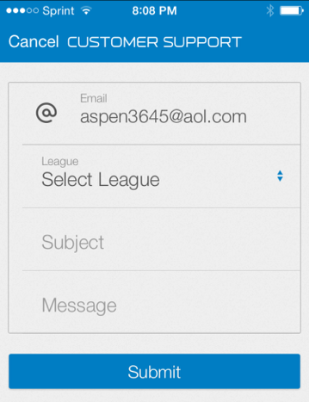 Under Research Support change entire screen to: | Where email is the sender's email and where it says "League" just put MyCircadianClockRCT or MyCircadianClock (for the web only one)
What are blue circles on calendar? Can we make the red circle a tad thicker?
How do I see my exercise history or graph? | Graph idea was sent to you Satchin last week when discussing calorie estimates. | I thik we can implement a food menu style input for this field. "Water", Food and medications can be replaced with "Light", Moderate", "intense' exercise. The default will be light exercise. User can type "walking", Swimming, running, hiking, 50 push-ups etc, and then choose from the time circles - 5 min, 10, min, 15, 30 or >30. Then plotting them like the feedogram or making a list like Menu Medley (Exercise Combo..) will be straightforward using the templeates already made.
The pictures that auto appear of my water keep covering up my Target and weekday bars, can we move bars out of the pop up pictures way or is that space for something? On the feedogram.
Under the Blood Sugar tab the max is 200mg/dL some diabetics can read 600, so make 600mg/dL the max. | Unfortuately, I don't think this function will be used often because the blood measuring device records this data and prints cool charts. So may want to just keep undre health data tab or put entire health data tab on the picture bar. | Personal home glucose meters don’t print out and don’t show graphs, so it is Ok to have this. But we may not put it on the home screen. Under health is fine.
Suggest making the home tab a darker or black background so know where it ends and white main screen begins. |  | It may be better to have the link to "home" from all screens.
I still like the old half page better because if you eat a lot of different stuff it is soo tiny and doesn't tell me anything. I like the older half page with the listed amounts underneath better. | 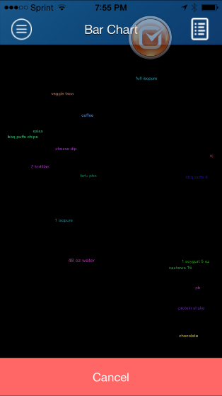 | Can those two screens be combined? Another idea is to increase the font size.
Settings tab should just say "Push-notification" and then on or off when open. |  | Fix this.
Ccan we log/track missed events (not taking pictures, logging sleep, exercise, etc) on the calendar and if they miss 2 days of picture taking and 1 week or sleep and exercise make an alert on the calendar and alert us on back end? | Satchin, as we discussed the calendar is for the intervention group only, so this would only need to be done for that group. | Alternatively, if they log food, sleep, medications and exercise, they get some stars or bonus points. Those can be shown on the calendar. This can be customized.
The Guide/FAQ is only showing me the guide, I can't view the FAQs anymore.16:29

